Spain+Portugal
Country | Year | Month | WS Area code | ICES fishing area code | Metier level 3 | Metier level 4 | Metier level 5 | Days at sea (DAS) | Total by-catch | Method used | DAS observed (DASO) | Total number of specimen caught in DASO | Bycatch rate observed (number per DASO) | By-catch estimate | Comment
Spain | 2008 | Oct-Dec |  | VIII ab | Nets | GNS | (Hake) | 581 | (1 Dd) |  | 25 | 0 | 0.000 | 0 | Not Iberian area
Spain | 2008 | Oct-Dec |  | VIII c | Nets | GNS | (Hake) | na |  |  | 21 | 0 | 0.000 | 0 | Iberian
Spain | 2008 | Oct-Dec |  | VIII abd | Nets | PTB | Demersal | 794 | (1 Dd) |  | 36 | 0 | 0.000 | 0 | Part Iberian
Spain | 2009 | Jan- Nov |  | VII hj | Nets | GNS | (Hake) | 986 | (1 Pp) |  | 3 | 1 | 0.333 | 328.66666667 | Part Iberian
Spain | 2009 | Jan- Nov |  | VIII abd | Nets | GNS | (Hake) | 3762 | (12Pp+22Dd+1DNI) |  | 108 | 12 | 0.111 | 418 | Part Iberian
Spain | 2009 | Jan- Nov |  | VIII a | Nets | GNS | (Hake) | 2721 |  |  | 81 | 9 | 0.111 | 302.33333333 | Subset of VIIIabd
Spain | 2009 | Jan- Nov |  | VIII b | Nets | GNS | (Hake) | 481 |  |  | 20 | 3 | 0.150 | 72.15 | Subset of VIIIabd
Spain | 2009 | Jan- Nov |  | VIII d | Nets | GNS | (Hake) | 11 |  |  | 7 | 0 | 0.000 | 0 | Subset of VIIIabd
Note: data from a pilot project. Bycatch data for 2009 were extracted from a report covering 14 months during 2008-09 and were available by sub-area. The associated effort data are for the whole of 2009. Logbook effort data indicate higher amounts of fishing days than VMS data, presumably because logbooks are available for a wider range of boat sizes. Logbook effort data are available only for major ICES divisions but VMS data are broken down by smaller areas.

Sources:
Lens, S. & Diaz, P., 2009. ANNUAL REPORT OF SPAIN TO THE EUROPEAN COMMISSION ON THE IMPLEMENTATION OF COUNCIL REGULATION 812/2004 ON CETACEAN BYCATCH. Work conducted during 2008. Instituto Español de Oceanografia.
Anon, 2009. Convenio SGM-IEO para la obtención de datos sobre las capturas accidentales de cetáceos: INFORME FINAL. Instituto Español de Oceanografia.

Portugal | 2010-2011 |  |  | IX a | Surrounding nets | PS | Small pelagic fish | 22781 | (3 Dd) |  | 163 | 0 | 0.000 | 0
Notes: The unit of effort here is the fishing trip. Porpoises were sometimes encircled but never caught
Source: Marcalo, A. et al 2015. Quantification of interactions between the Portuguese sardine purse-seine fishery and cetaceans. ICES J Mar Sci 72, 2438-2449.
It is not clear if these data were submitted to WGBYC.

ADDITIONAL INFORMATION PORTUGAL
1. ZERO BYCATCH IN SET NETS (13 TRIPS, 48 HAULS), PRESUMABLY 2016, NON-DEDICTED OBSERVERS
In Portugal, monitoring of bycatch of cetacean and other protected species in the main-land were provided by IPMA at-sea observations carried out under the National Bio-logical Sampling Program (PNAB/EU-DCF). The monitoring programme was main-tained with the special collaboration of almost all Fishery Producers Organizations (PO's). A total of 13 trips and 48 hauls were observed in set-nets (GNS and GTR) in-cluded in the polyvalent/multi gear fishery (vessels ≥15 m) operating in the Portuguese waters of ICES Division 9.a. This observation effort translated into coverage of 0.033% of the fishing effort of boats operating off mainland Portuguese ports. In 2016, on-board observers (DCF) recorded no bycatch of any cetaceans or other protected species (e.g. marine birds or sea turtles).

2. POLYVALENT FISHERY |  | Polyvalent - boats carrying multiple gears including Setnets, Traps and Demersal longlines
Portugal | 2010 | Jan-Dec |  | Ixa | Polyvalent | ? | Hake etc | 98800 | (10 Dd, 1 Tt) |  | 161 | 0 | 0.000 | 0
Portugal | 2010 | May-Oct |  | Ixa | Polyvalent | ? | Pelagics | 2400 | (6Dd, 5Pp) |  | 80 | 5 | 0.063 | 150 |  |  | Mean
Portugal | 2011 |  |  | Ixa | Polyvalent | Trammel only | (all) | 10670 | (Cd only) |  | 64 | 0 | 0.000 | 0 |  |  | 268.5877551
Portugal | 2012 |  |  | Ixa | Polyvalent | Trammel only | (all) | 63612 | (3 Dd, 1 Pp, 1 Tt) |  | 71 | 1 | 0.014 | 896 | Dangerous extrapolation | or | 358.21002751
Portugal | 2013 |  |  | Ixa | Polyvalent | ? | (all) | 123120 | (2 Tt) |  | 118 | 0 | 0.000 | 0
Portugal | 2014 |  |  | Ixa | Polyvalent | ? | (all) | 60192 | (2 Dd) |  | 50 | 0 | 0.000 | 0
Portugal | 2015 |  |  | Ixa | "Other gear" | ? | (all) | 59679 | (2 Tt + 6 Pp) |  | 245 | 6 | 0.024 | 1462
Portugal | 2016 |  |  | Ixa | Polyvalent | Set nets only | (all) | 39394 |  |  | 13 | 0 | 0.000 | 0

3. PURSE SEINE FISHERY
Portugal | 2010 |  |  | IX a | Nets, longlines, traps | Purse seine |  | 11461 | (47 Dd) |  | 369 | 0 | 0.000 | 0
Portugal | 2011 |  |  | IX a | Nets, longlines, traps | Purse seine |  | 11320 | (2 Dd, 1 Pp, 1 Tt) |  | 110 | 1 | 0.009 | 103 |  |  | Mean
Portugal | 2012 |  |  | IX a | Nets, longlines, traps | Purse seine |  | 22952 | (1 Dd) |  | 94 | 0 | 0.000 | 0 |  |  | 25.727272727
Portugal | 2013 |  |  | IX a | Nets, longlines, traps | "Seines" |  | 10680 | (3 Dd) |  | 114 | 0 | 0.000 | 0
Portugal | 2014 |  |  | IX a | Nets, longlines, traps | "Seines" |  | 7110 | (2 Dd) |  | 43 | 0 | 0.000 | 0
Portugal | 2015 |  |  | IX a | Nets, longlines, traps | "Seines" |  | No report

4. BOTTOM TRAWL FISHERY
Portugal | 2010 |  |  |  | Bottom trawl | Demersal | Fish and crust | No report
Portugal | 2011 |  |  | Ixa | Bottom trawl | Demersal | Fish and crust | 11618 |  |  | 78 | 0 | 0.000 | 0
Portugal | 2012 |  |  | Ixa | Bottom trawl | Demersal | Fish | 12616 |  |  | 144 | 0 | 0.000 | 0
Portugal | 2013 |  |  | Ixa | Bottom trawl | Demersal | Fish | 12464 | (2 Dd) |  | 92 | 0 | 0.000 | 0
Portugal | 2014 |  |  | Ixa | Bottom trawl | Demersal | Fish | 12312 |  |  | 71 | 0 | 0.000 | 0
Portugal | 2015 |  |  | Ixa | Bottom trawl | Demersal | Fish | No report

The above figures are based on the tables in WGBYC reports (correcting apparent errors in the 2010 data). Note that no porpoise bycatches by Portugal are mentioned in the text of the reprots.

5. BEACH SEINES |  |  |  |  |  |  |  | HAULS |  |  | HAULS OBSERVED
Portugal | 2008-2011 |  |  |  | Nets, longlines, trap | Beach seine |  | 36000 |  |  | 292 | 5 | 0.017 | 616
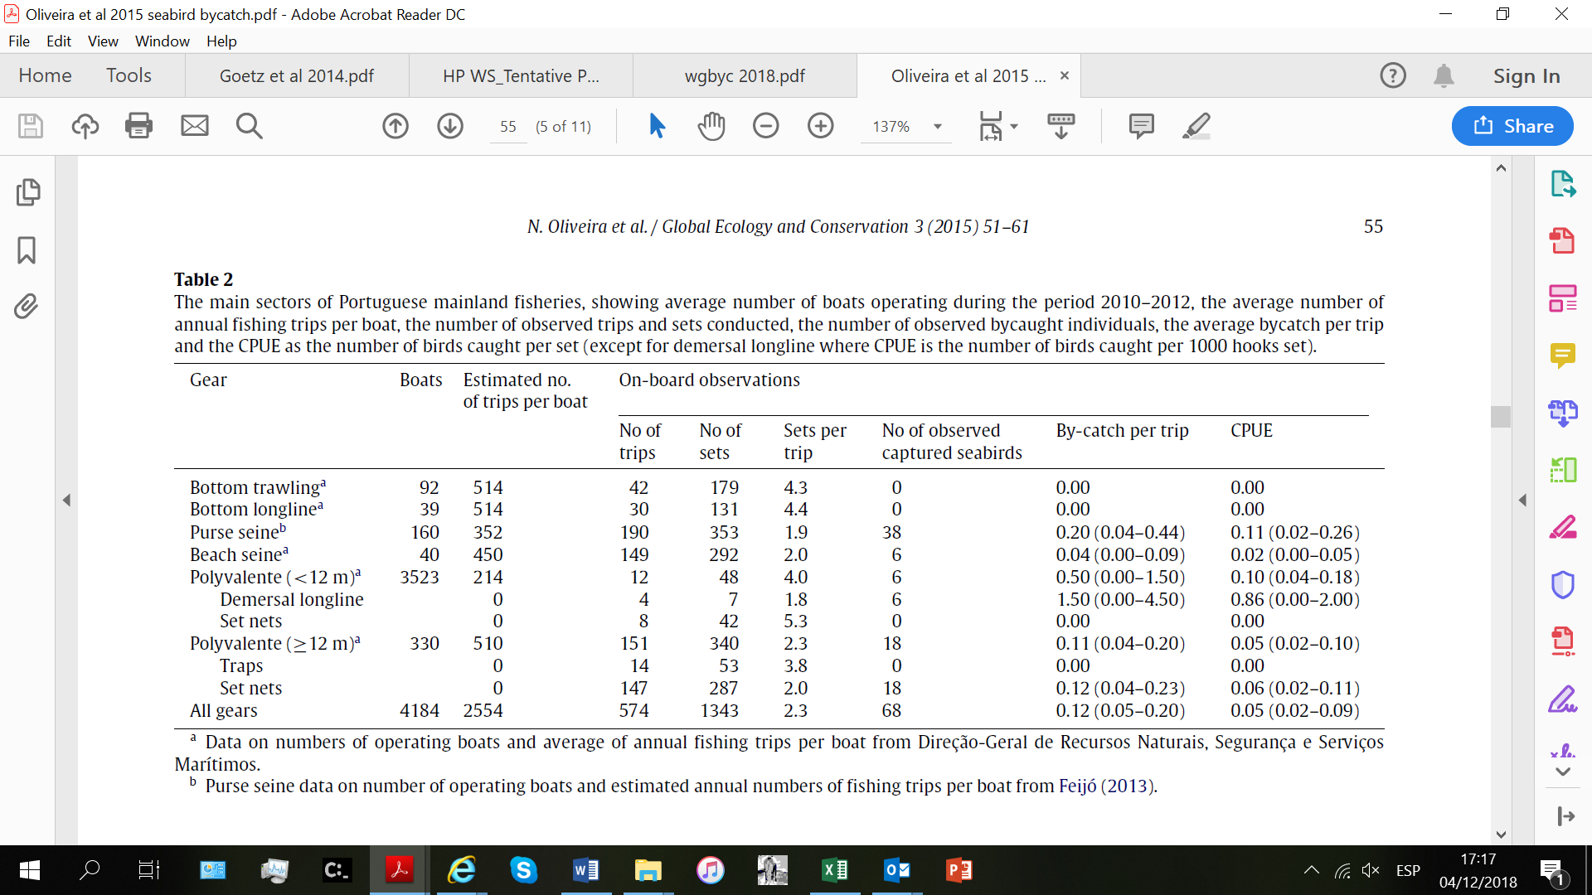
A total of 292 beach seine hauls monitored in Portugal between 2008 and 2011 resulted in five porpoise mortalities and a bycatch mortality rate of 0.017 animals per haul (Vingada et al. 2011).
Figures provided above are estimated from the data below for ANNUAL FISHING EFFORT |  |  |  |  |  |  |  |  |  |  |  | 18 |  | 911
Sets per trip | 2 |  |  |  |  |  |  |  |  |  |  |  |  | 1000
Trips per boat | 450 |  | Based on Oliveira et al 2015
Boats | 40 |  | ANNUAL DATA
Total sets | 36000
Bycatch rate | 0.017123287671
Total bycatch | 616.43835616

